External Data Model
Data modeling
Project: InstantCover Employment Agency

Section
1 | External Data Model (Problem Analysis)
2 | TOP-DOWN Model (logical->relational) |  |  |  |  |  | `
3 | BOTTOM_UP Model (textbook normalization)
4 | BOTTOM_UP Model (cookbook normalization)
5 | ORM Data Model (FCO-IM)

 | 2020.10.05 |  |  |  |  | By: Rafał Kowalski

The British agency InstantCover provides temporary workers to hotels in Scotland.
The following table (simplified excerpt from the external data model) is used for the allocation of tasks between InstantCover employees:

 | Data Dictionary
 | Business Name | Domain | Database Column | Column Type | Examples | Business Description
 | NIN | text | NIN | VARCHAR(10) | 113567WD 234111XA 712670YD | Employer Insurance Number (National Insurance Number). An unambiguous and unchangeable identifier of each employee, valid in the Civilized World. On the basis of this number is paid social and medical care of employees.
 | ContractNo | text | ContractNo | VARCHAR(10) | C1024 C1025 | Contract number. InstantCover contract ID with the hotel. The contract number uniquely identifies the contract. Contract numbers are unique in the company's history and are broadcast by InstantCover. The delivery of workers to hotels is carried out on the basis of contracts, which contain conditions specifying the time period and the number of employees. At the same time, the company executes a number of contracts with various hotels and several concurrent contracts with the same hotel.
 | HoursPerWeek | number | HoursPerWeek | NUMBER(3) | 10 12 28 | Number of working hours per week. An hourly rate of work assigned to a particular hotel, based on a InstantCover contract with a hotel. During the week of work, an employee may carry out multiple hours of work in the same or different facilities.
 | Ename | text | Ename | VARCHAR(200) | John Smith DianeHocine SarahWhite | Name and surname of the employee. Value is not unique - it is easy to imagine that employees in the company will be employees with the same (popular) names (the proverbial "Jan Kowalski"). Due to the simplification of filling in the paper forms, the name and surname are saved in one "form frame". When designing a database model and application, these fields should be separated.
 | HotelNo | tekst | HotelNo | VARCHAR(5) | H10 H21 H35 | Hotel ID. Unique hotel identifier (service principal). Identifiers are assigned by the hotel association.
 | HotelLocation | tekst | HotelLocation | VARCHAR(100) | Glasgow London Edinburgh | Hotel Location. Name of the locality in which the hotel is located.

Does data processing require additional knowledge: for example, geography?
Is this the whole information?
Possible additional information will be obtained from the analysis of "business knowledge"

TOP_DOWN Model
Data modeling
Project: InstantCover Employment Agency

Section
1 | External Data Model (Problem Analysis)
2 | TOP-DOWN Model (logical->relational) |  |  |  |  |  | `
3 | BOTTOM_UP Model (textbook normalization)
4 | BOTTOM_UP Model (cookbook normalization)
5 | ORM Data Model (FCO-IM)

 | 2020.10.05 |  |  |  |  | By: Rafał Kowalski

The British agency InstantCover provides temporary workers to hotels in Scotland.
The following table (simplified excerpt from the external data model) is used for the allocation of tasks between InstantCover employees:

nin
contractNo
hoursPerWeek
eName
hotelNo
hotelLocation

 | Data Dictionary
 | Business Name | Domain | Database Column | Column Type | Examples | Business Description
 | NIN | text | nin | VARCHAR(10) | 113567WD 234111XA 712670YD | Employer Insurance Number (National Insurance Number). An unambiguous and unchangeable identifier of each employee, valid in the Civilized World. On the basis of this number is paid social and medical care of employees.
 | ContractNo | text | contractNo | VARCHAR(10) | C1024 C1025 | Contract number. InstantCover contract ID with the hotel. The contract number uniquely identifies the contract. Contract numbers are unique in the company's history and are broadcast by InstantCover. The delivery of workers to hotels is carried out on the basis of contracts, which contain conditions specifying the time period and the number of employees. At the same time, the company executes a number of contracts with various hotels and several concurrent contracts with the same hotel.
 | HoursPerWeek | number | hoursPerWeek | NUMBER(3) | 10 12 28 | Number of working hours per week. An hourly rate of work assigned to a particular hotel, based on a InstantCover contract with a hotel. During the week of work, an employee may carry out multiple hours of work in the same or different facilities.
 | Ename | text | eName | VARCHAR(200) | John Smith DianeHocine SarahWhite | Name and surname of the employee. Value is not unique - it is easy to imagine that employees in the company will be employees with the same (popular) names (the proverbial "Jan Kowalski"). Due to the simplification of filling in the paper forms, the name and surname are saved in one "form frame". When designing a database model and application, these fields should be separated.
 | HotelNo | tekst | hotelNo | VARCHAR(5) | H10 H21 H35 | Hotel ID. Unique hotel identifier (service principal). Identifiers are assigned by the hotel association.
 | HotelLocation | tekst | hotelLocation | VARCHAR(100) | Glasgow London Edinburgh | Hotel Location. Name of the locality in which the hotel is located.

ERD

 | EMPLOYEE |  | HOTEL |  | TASK
eName
hotelLocation
contractNo
hotelNo
nin
hoursPerWeek

 | RELATIONSHIPS

 | EMPLOYEE | can do MANY tasks. |  |  | TASK
 |  | is assigned to ONE employee.
 | HOTEL | CAN be a workplace of Many Tasks |  |  | TASK
 |  | Must be performed in One hotel

ENTITIES
Business Name | Domain | Database Name | Short Name | Relation Name | Business Description

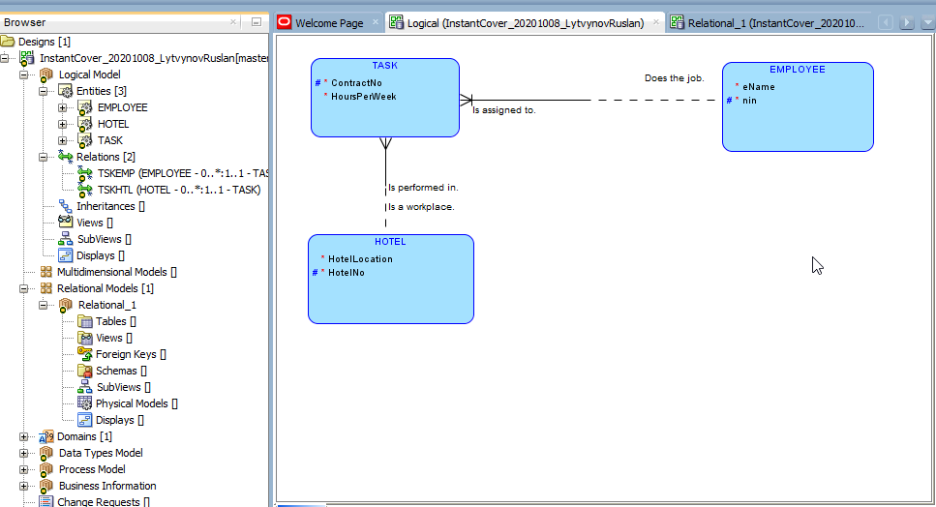
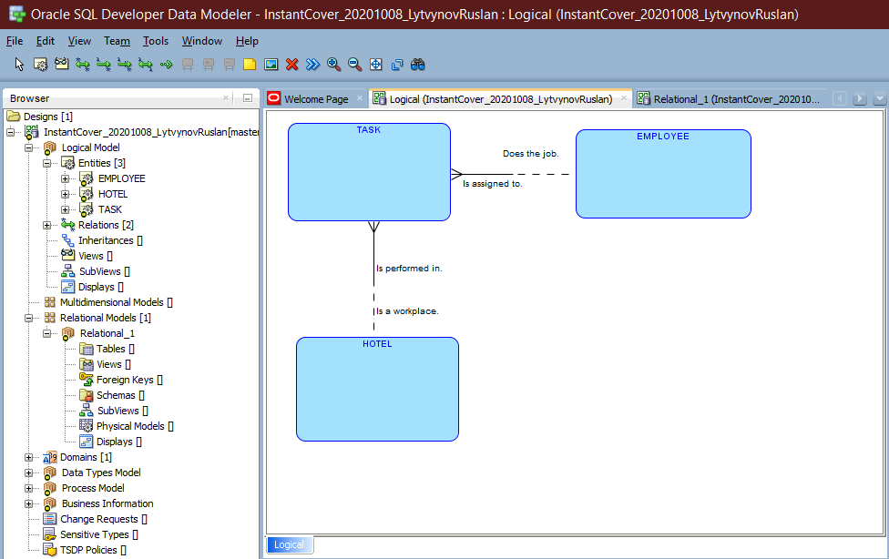

Martwe ptaki lecą na wschód?

Relational Model
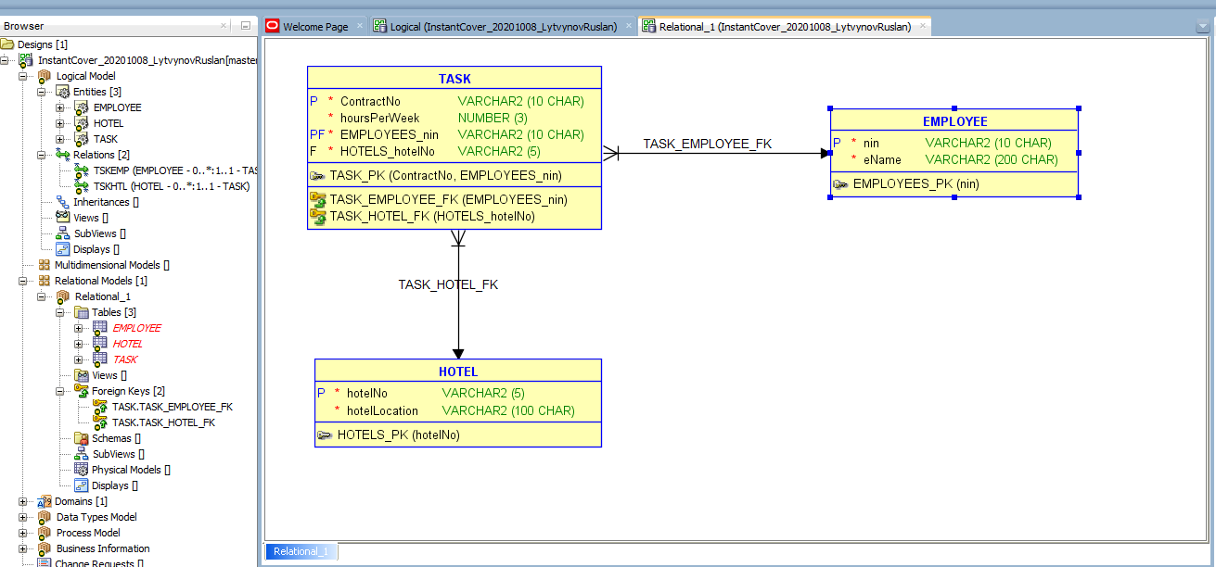

1NF |  | (Basic decomposition of attributes and dominant attributes.)
1 | Primary Key | OK

2 | Single values | OK

3 | Atomic values | OK

FDs & BRs

 | FD1( | contractNo | ) = ( | HOTELS_hotelNo | )

NORMALIZATION

FD1 violates 2NF in TASKS
 | Create new Relation: | CONTRACTS | ( | contractNo | HOTELS_hotelNo | )
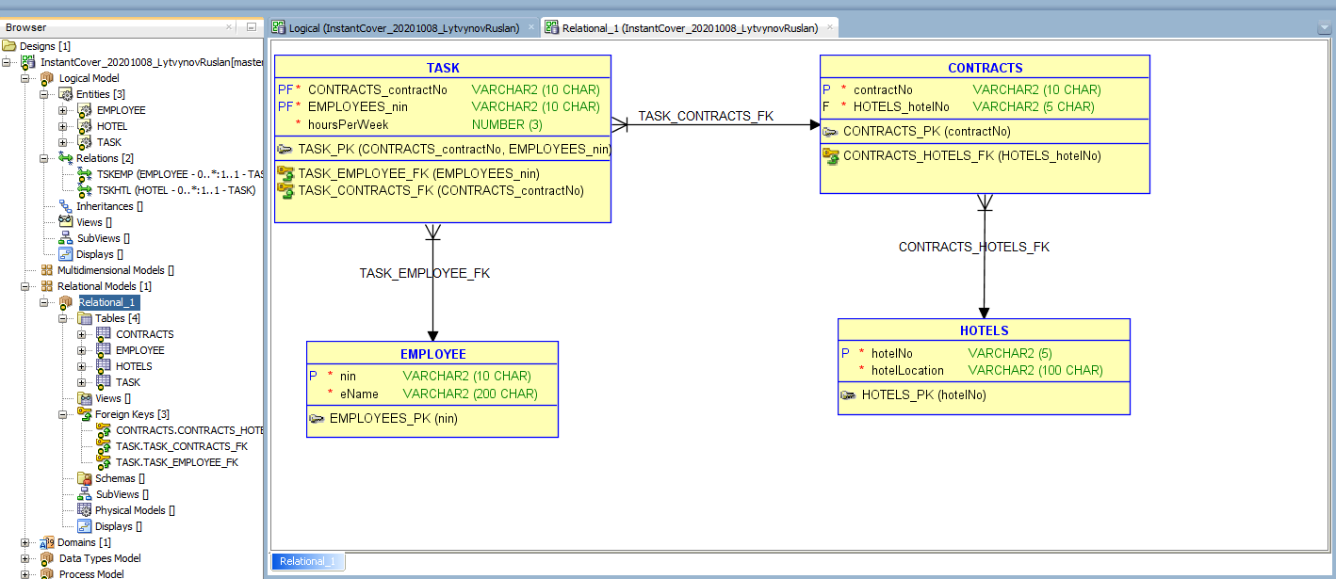

3NF

BCNF

